population
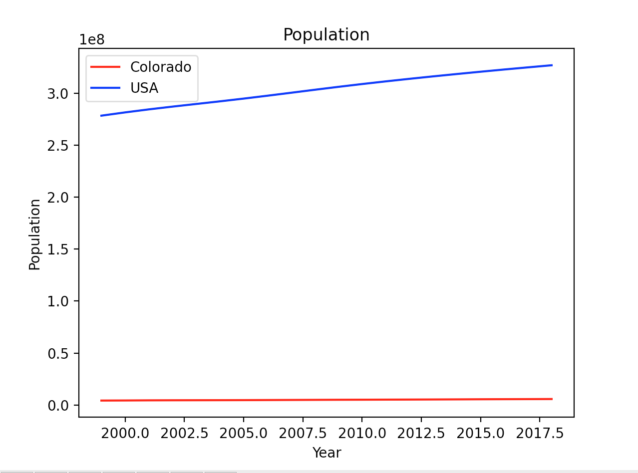
Year | Population (C) | Population(US, millions)
1999 | 4226018 | 278570000
2000 | 4301261 | 281710000
2001 | 4425687 | 284610000
2002 | 4490406 | 287280000
2003 | 4528732 | 289820000
2004 | 4575013 | 292350000
2005 | 4631888 | 294990000
2006 | 4720423 | 297760000
2007 | 4803868 | 300610000
2008 | 4889730 | 303490000
2009 | 4972195 | 306310000
2010 | 5029196 | 309010000
2011 | 5116796 | 311580000
2012 | 5187582 | 314040000
2013 | 5268367 | 316400000
2014 | 5355866 | 318670000
2015 | 5456574 | 320880000
2016 | 5540545 | 323020000
2017 | 5607154 | 325080000
2018 | 5697155 | 327100000 | i should probably scale this to make this graph useful but i'm too tired to do that right now

drug deaths
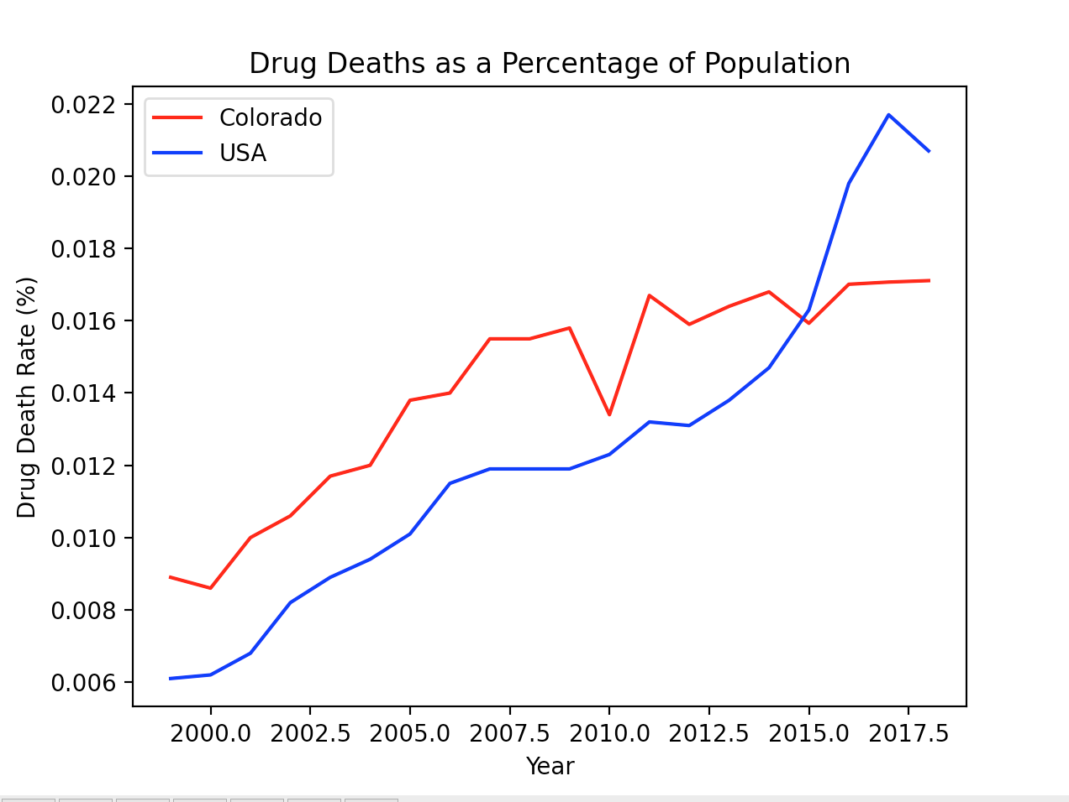
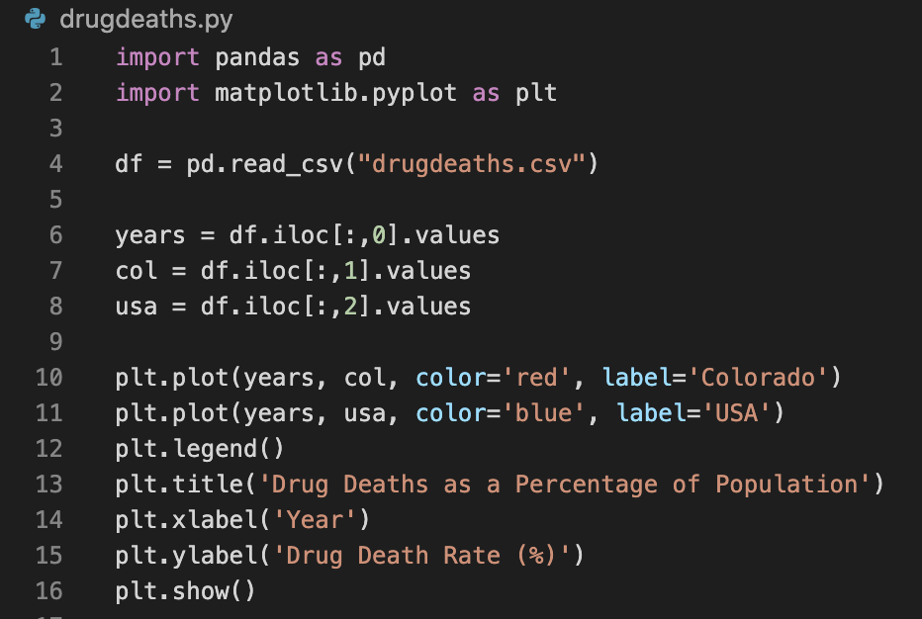
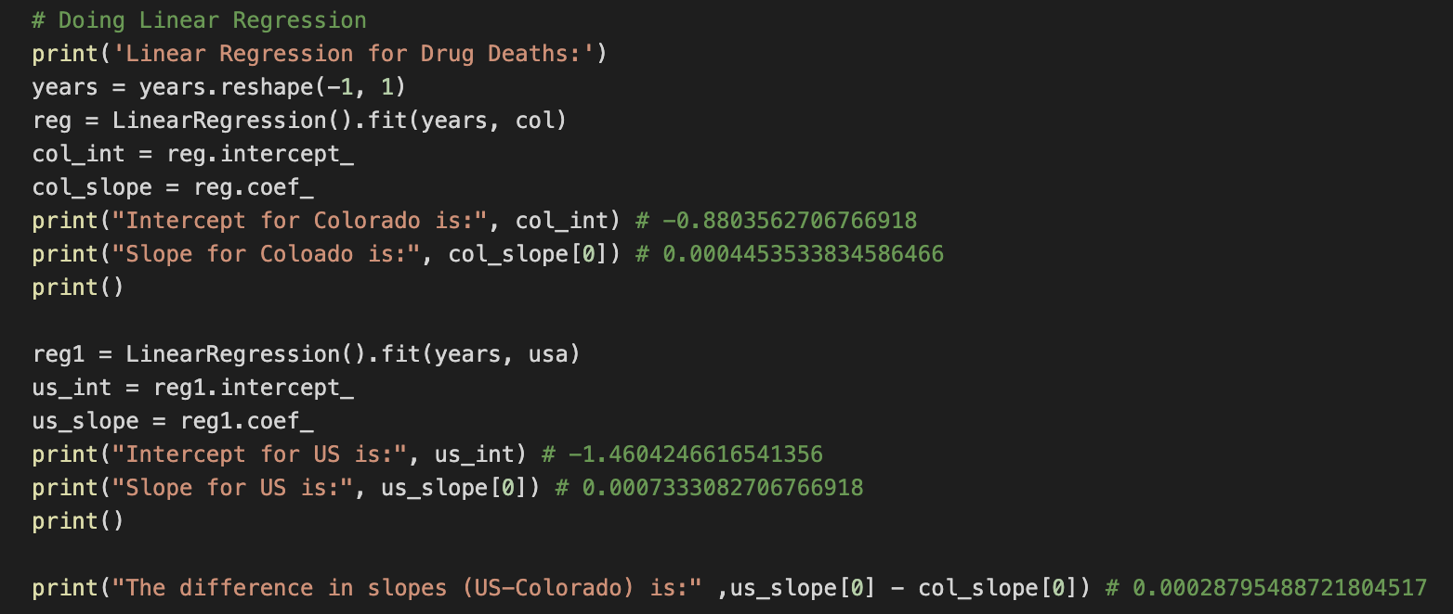
Year | Drug Deaths Rate (C) | Drug Deaths Rate (US)
1999 | 0.0089 | 0.0061 |  | NEXT STEPS: CONSTRUCT MODEL
2000 | 0.0086 | 0.0062
2001 | 0.0100 | 0.0068
2002 | 0.0106 | 0.0082
2003 | 0.0117 | 0.0089
2004 | 0.0120 | 0.0094
2005 | 0.0138 | 0.0101
2006 | 0.0140 | 0.0115
2007 | 0.0155 | 0.0119
2008 | 0.0155 | 0.0119
2009 | 0.0158 | 0.0119
2010 | 0.0134 | 0.0123
2011 | 0.0167 | 0.0132
2012 | 0.0159 | 0.0131
2013 | 0.0164 | 0.0138
2014 | 0.0168 | 0.0147
2015 | 0.01593 | 0.0163
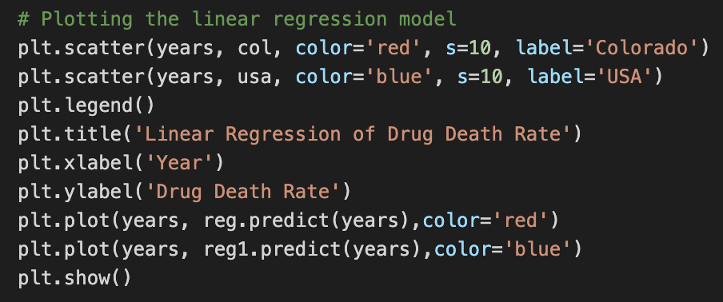
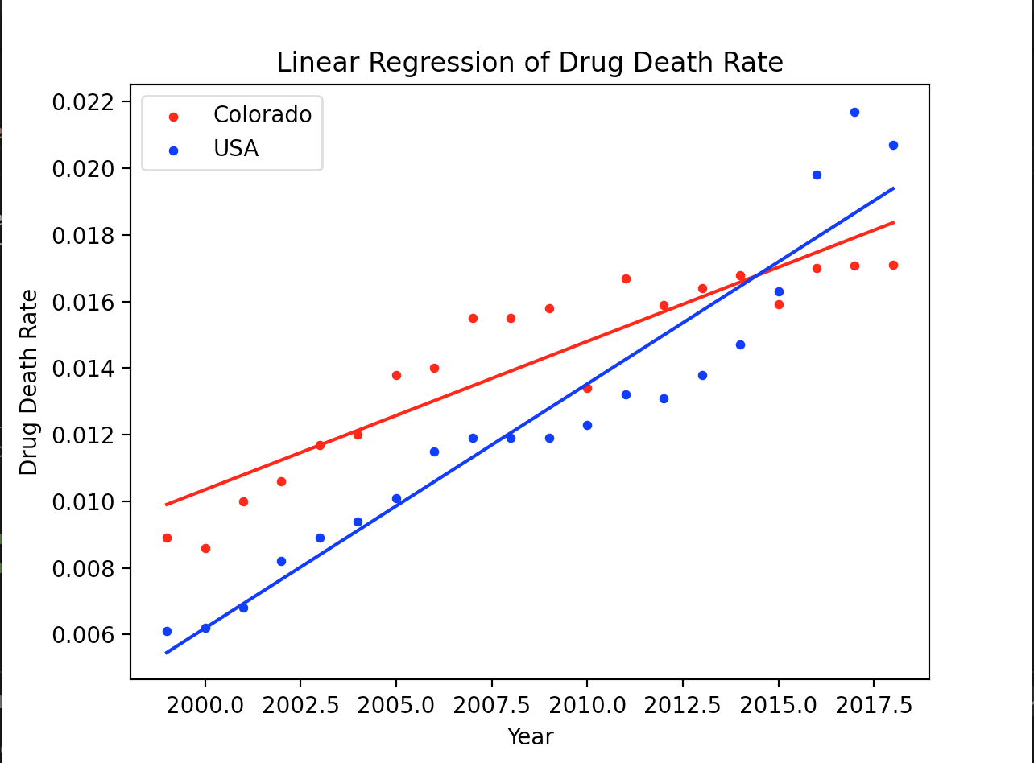
2016 | 0.01701 | 0.0198
2017 | 0.01707 | 0.0217 | ^ rate of drug deaths in colorado significantly slows compared to national avg
2018 | 0.01711 | 0.0207

gdppop
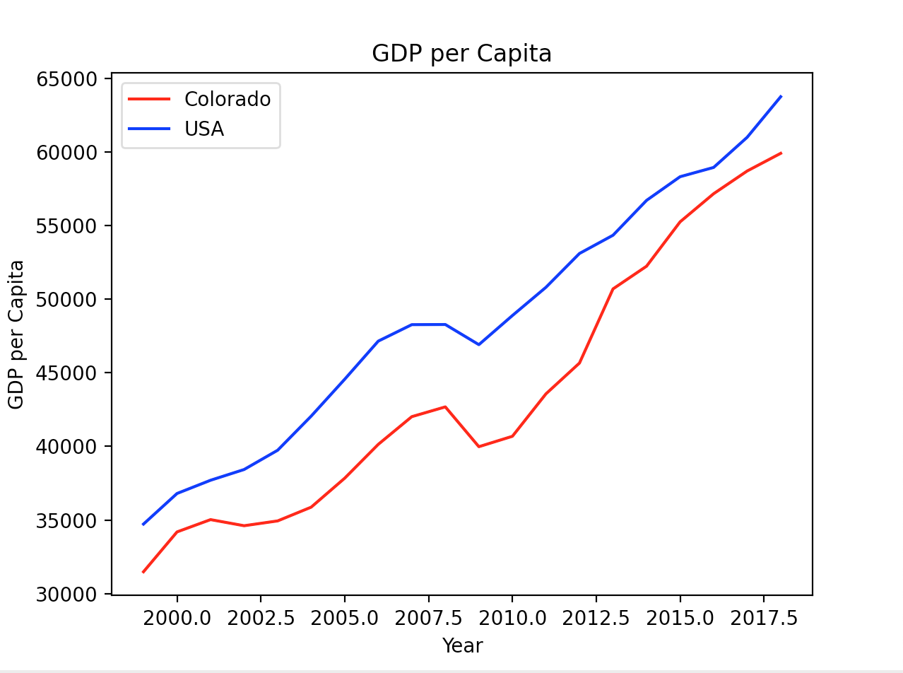
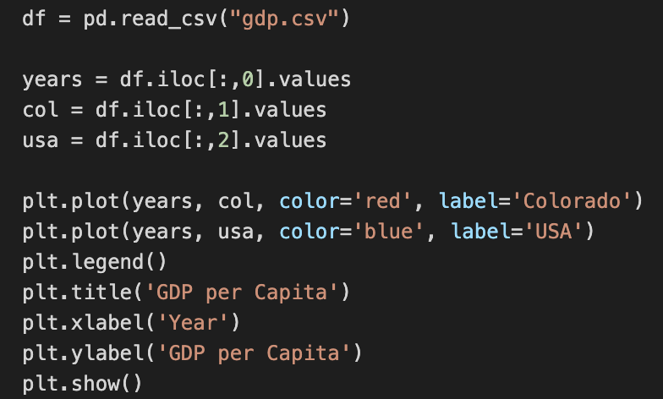
Year | Income per Capita (C) | Income per Capita (US)
1999 | 31477 | 34720
2000 | 34187 | 36800
2001 | 35023 | 37700
2002 | 34608 | 38430
2003 | 34935 | 39740
2004 | 35870 | 42060
2005 | 37841 | 44570
2006 | 40140 | 47160
2007 | 42024 | 48280
2008 | 42689 | 48290
2009 | 39982 | 46920
2010 | 40689 | 48900
2011 | 43575 | 50820
2012 | 45669 | 53120
2013 | 50711 | 54360
2014 | 52254 | 56730
2015 | 55270 | 58340 | ^ gap seems to be closing starting around 2012-2013
2016 | 57184 | 58970
2017 | 58728 | 61020
2018 | 59930 | 63780

tax revenue
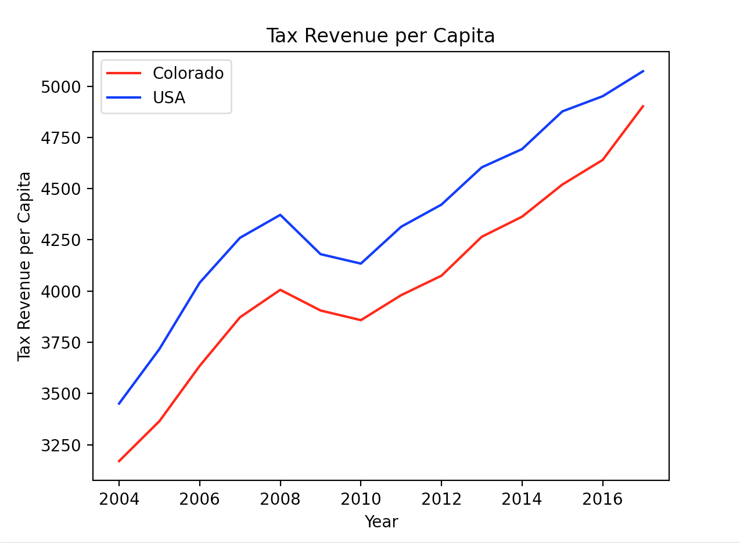
Year | Tax Revenue (C) | Tax Revenue (USA)
2004 | 3170 | 3451
2005 | 3365 | 3717
2006 | 3635 | 4041
2007 | 3872 | 4260
2008 | 4006 | 4372
2009 | 3905 | 4180
2010 | 3858 | 4134
2011 | 3980 | 4314
2012 | 4075 | 4422
2013 | 4265 | 4604
2014 | 4363 | 4693
2015 | 4520 | 4877
2016 | 4640 | 4951
2017 | 4902 | 5073

Cigarette sales
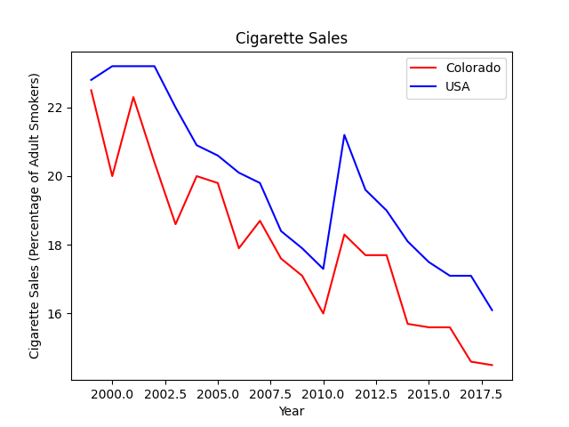
Year | Cigarette Sales - % of adult smokers (C) | Cigarette Sales - % of adult smokers (US)
1999 | 22.5 | 22.8
2000 | 20 | 23.2
2001 | 22.3 | 23.2
2002 | 20.4 | 23.2
2003 | 18.6 | 22
2004 | 20 | 20.9
2005 | 19.8 | 20.6
2006 | 17.9 | 20.1
2007 | 18.7 | 19.8
2008 | 17.6 | 18.4
2009 | 17.1 | 17.9
2010 | 16 | 17.3
2011 | 18.3 | 21.2
2012 | 17.7 | 19.6
2013 | 17.7 | 19
2014 | 15.7 | 18.1
2015 | 15.6 | 17.5
2016 | 15.6 | 17.1
2017 | 14.6 | 17.1
2018 | 14.5 | 16.1

unemployment
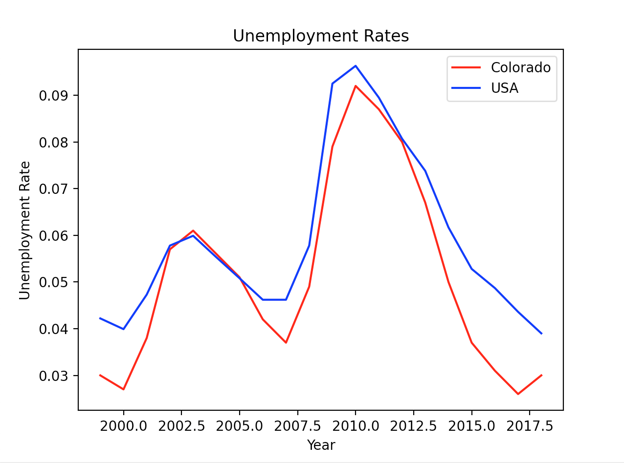
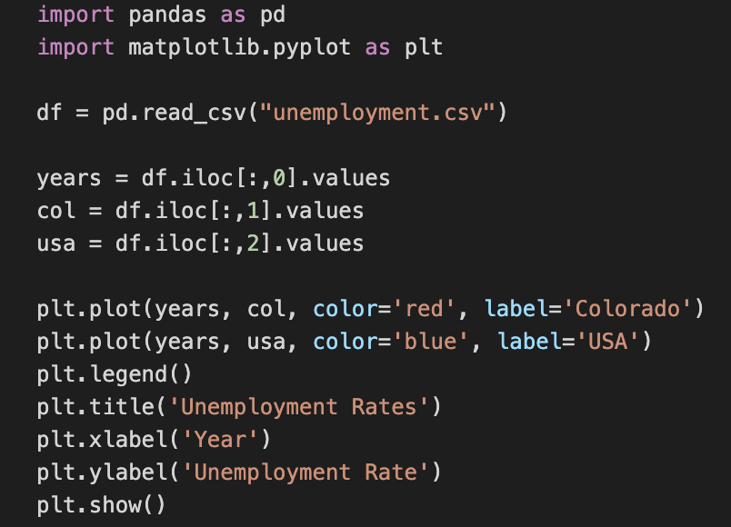
Year | Unemployment (C) | Unemployment (USA)
1999 | 0.03 | 0.0422
2000 | 0.027 | 0.0399
2001 | 0.038 | 0.0473
2002 | 0.057 | 0.0578
2003 | 0.061 | 0.0599
2004 | 0.056 | 0.0553
2005 | 0.051 | 0.0508
2006 | 0.042 | 0.0462
2007 | 0.037 | 0.0462
2008 | 0.049 | 0.0578
2009 | 0.079 | 0.0925
2010 | 0.092 | 0.0963
2011 | 0.087 | 0.0895
2012 | 0.08 | 0.0807
2013 | 0.067 | 0.0738
2014 | 0.05 | 0.0617
2015 | 0.037 | 0.0528
2016 | 0.031 | 0.0487
2017 | 0.026 | 0.0436
2018 | 0.03 | 0.039 | ^ colorado and usa are pretty consistent for the most part
 |  |  | but around 2013 the gap widens and colorado's UE is less than national rate

alcohol cons. (not scaled)
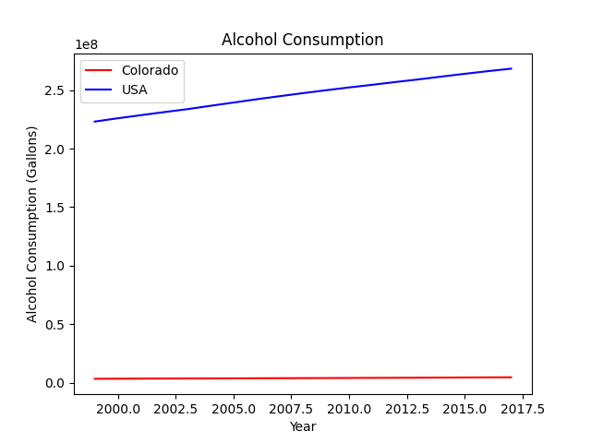
Year | Alcohol Consumption (gallons) (C) | Alcohol Consumption (gallons) (USA)
1999 | 3384222 | 223099823
2000 | 3467312 | 225930423
2001 | 3551248 | 228578068
2002 | 3608580 | 231194672
2003 | 3642128 | 233701167
2004 | 3689253 | 236561755
2005 | 3739118 | 239350769
2006 | 3815012 | 242171653
2007 | 3883503 | 244809096
2008 | 3953614 | 247384676
2009 | 4021971 | 249869828
2010 | 4086694 | 252270877
2011 | 4154402 | 254542312
2012 | 4223262 | 256895820
2013 | 4297634 | 259137618
2014 | 4376701 | 261564480
2015 | 4472741 | 263925279
2016 | 4559826 | 266191088
2017 | 4637587 | 268308621
2018 | 4718558 | 270449061

 |  |  | POSSIBLY NEED TO SCALE

alc consumption
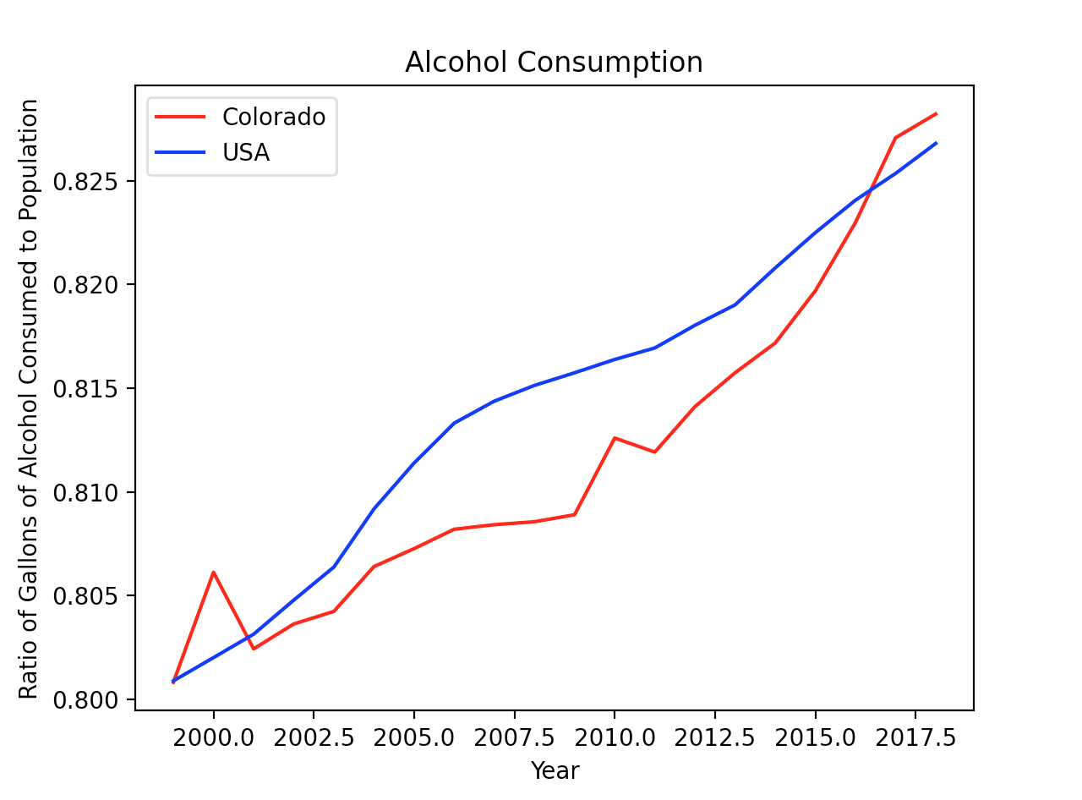
Year | alc colorado | alc usa
1999 | 0.8008063383 | 0.8008752665
2000 | 0.8061152299 | 0.8019964609
2001 | 0.8024173422 | 0.8031273251
2002 | 0.8036199845 | 0.8047712058
2003 | 0.8042268785 | 0.8063665965
2004 | 0.806391807 | 0.8091730973
2005 | 0.8072557022 | 0.8113860436
2006 | 0.8081928251 | 0.8133115697
2007 | 0.8084116799 | 0.8143744253
2008 | 0.8085546646 | 0.8151328742
2009 | 0.8088924509 | 0.8157416604
2010 | 0.8125939017 | 0.816384185
2011 | 0.8119147216 | 0.8169404711
2012 | 0.8141099264 | 0.8180353458
2013 | 0.8157430946 | 0.8190190202
2014 | 0.8171789585 | 0.8208004519
2015 | 0.8196976711 | 0.8225046092
2016 | 0.822992323 | 0.8240699895
2017 | 0.827083936 | 0.8253618217
2018 | 0.8282305818 | 0.826808502

Rehab admission
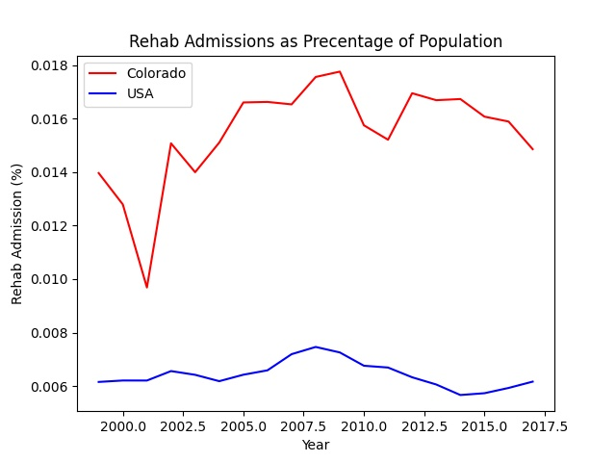
Year | Rehab by Population | Overall Rehab Admissions (C) by population
1999 | 0.0061576479879 | 0.013961133152
2000 | 0.0062110290725 | 0.012791365137
2001 | 0.0062099855943 | 0.0096868576562
2002 | 0.0065630952381 | 0.015073024577
2003 | 0.0064234835415 | 0.013994204117
2004 | 0.0061859722935 | 0.015101377854
2005 | 0.0064270551544 | 0.016601005897
2006 | 0.0065914629232 | 0.016620332542
2007 | 0.0071949602475 | 0.016529180236
2008 | 0.0074647500741 | 0.01755332094
2009 | 0.0072594234599 | 0.017753326247
2010 | 0.0067627067085 | 0.015747049827
2011 | 0.0066957314333 | 0.015207954353
2012 | 0.0063312094001 | 0.016944888775
2013 | 0.0060614728192 | 0.016685056299
2014 | 0.0056689145511 | 0.016728200444
2015 | 0.005736144353 | 0.016070340107
2016 | 0.0059331403628 | 0.015887245749
2017 | 0.0061689276486 | 0.014854773027
2018

suicide
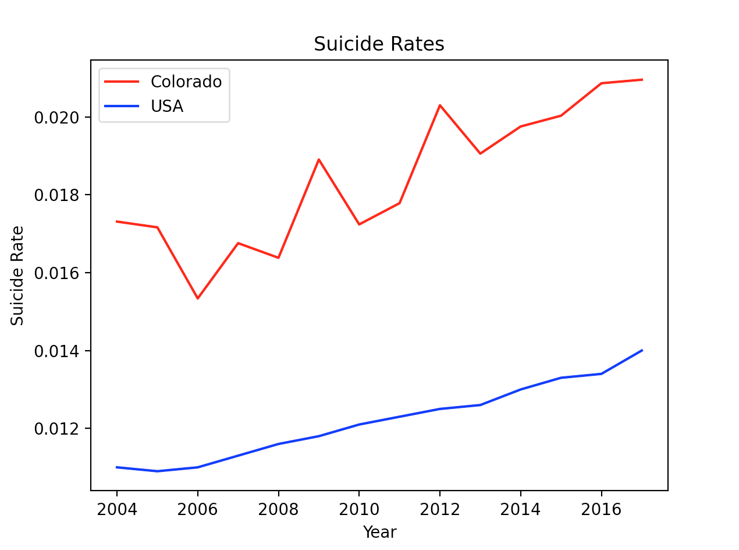
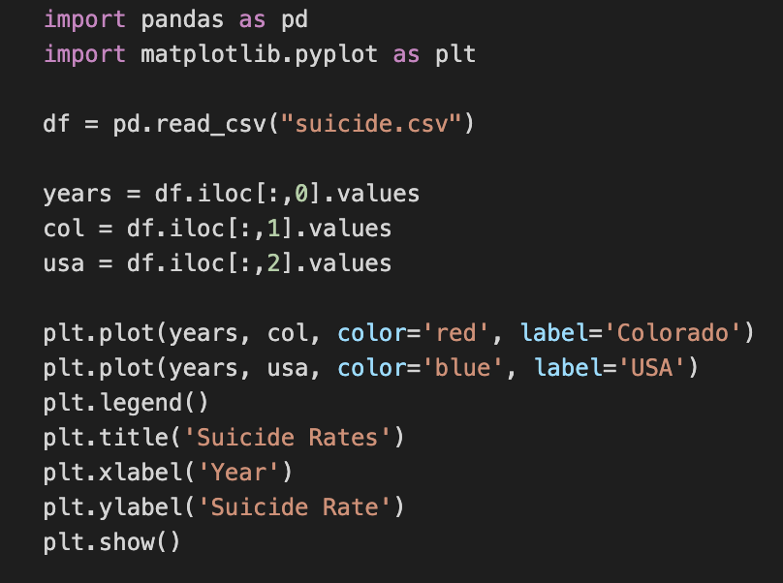
Year | Suicide Rate (C) | Suicide Rate (USA)
2004 | 0.01731142622 | 0.011
2005 | 0.01716362745 | 0.0109
2006 | 0.01533760852 | 0.011
2007 | 0.01675732972 | 0.0113
2008 | 0.01638127259 | 0.0116
2009 | 0.01890513144 | 0.0118
2010 | 0.01723933607 | 0.0121
2011 | 0.01778456675 | 0.0123
2012 | 0.02029847432 | 0.0125
2013 | 0.01905713858 | 0.0126
2014 | 0.01975404164 | 0.013
2015 | 0.02003088385 | 0.0133
2016 | 0.02086437345 | 0.0134
2017 | 0.02095537237 | 0.014
 |  |  | ^ tough to say but looks like there was a drop after 2012

alc fatalities
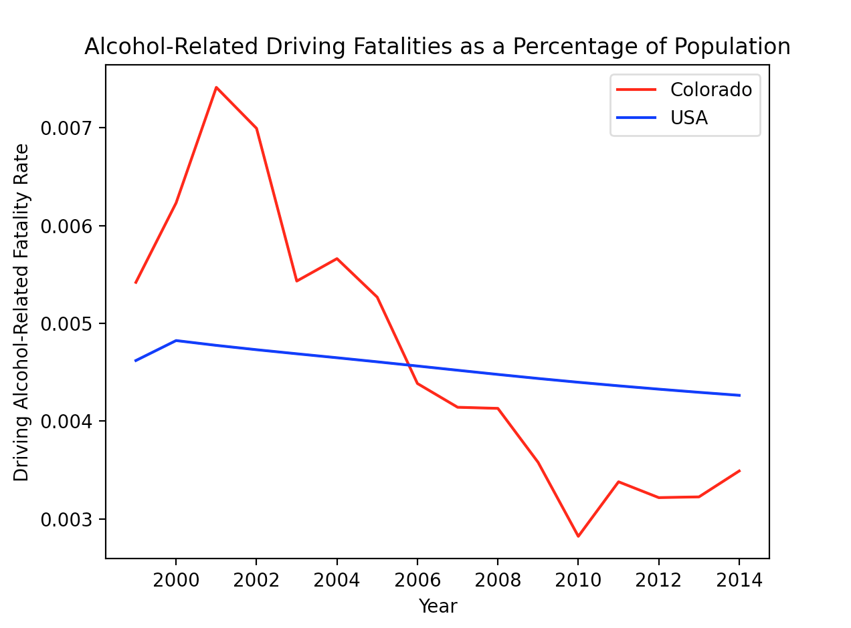
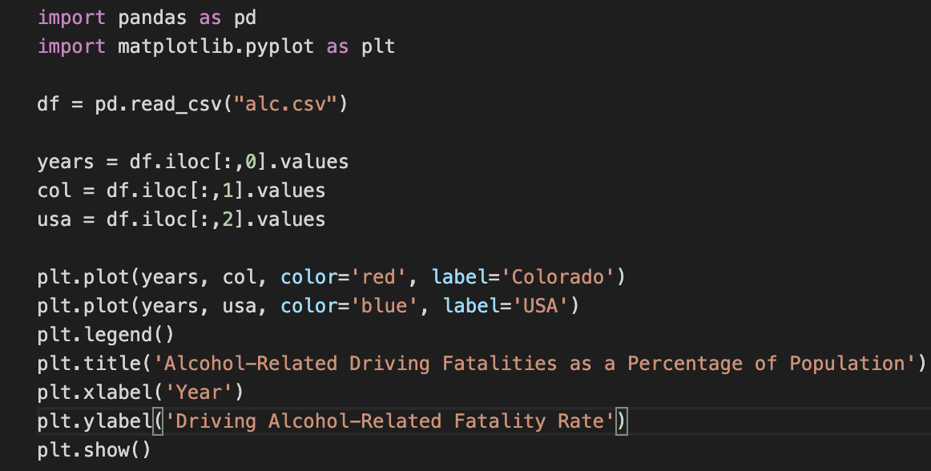
Year | Alcohol Fatalities (C) | Alcohol Fatalities (US)
1999 | 0.0054188127 | 0.0046200237
2000 | 0.0062307309 | 0.0048241099
2001 | 0.0074112787 | 0.0047749552
2002 | 0.0069926862 | 0.0047305764
2003 | 0.0054319841 | 0.0046891174
2004 | 0.0056611861 | 0.0046485377
2005 | 0.0052678303 | 0.0046069358
2006 | 0.0043852002 | 0.0045640785
2007 | 0.0041424952 | 0.0045208077
2008 | 0.0041311074 | 0.0044779070
2009 | 0.0035799079 | 0.0044366818
2010 | 0.0028235129 | 0.0043979159
2011 | 0.0033810220 | 0.0043616407
2012 | 0.0032192262 | 0.0043274742
2013 | 0.0032268063 | 0.0042951960
2014 | 0.0034914989 | 0.0042645997

